1. Title Page
Grocery Basket Analysis

Project Name: Instacart Grocery Basket Analysis
Date: 04.10.2023
Analyst Name: Goce Panovski

Contents:
Population Flow
Consistency checks
Wrangling steps
Column derivations
Visualizations1
Visualizations2
Recommendations

“The Instacart Online Grocery Shopping Dataset 2017”, Accessed from www.instacart.com/datasets/grocery-shopping-2017 via Kaggle on September 2023

2. Population Flow
Title page

Population flow

Exclusion flag
Condition: max_order <5
Obervations to be removed: 1,440,295
Final total count of order_products_all: 30,964,564

Orders_products_combined
Orders_products_merged
Orders_products_all

Total:32,404,859
Total:32,434,489
Total: 32,404,859

1.) The grey boxes in the first row of the population flow represent the original data sets as they were when you downloaded them. In the Total fields you need to add the count of the rows when you imported the data set into Jupyter.
2.) The second row of boxes (coloured) represents the data sets after you manipulated them, e.g., removed missing values and duplicates. In the Total fields you need to add the count of the rows after conducting these operations. This offers a visual oveview of how the data flows throughout the data consistency checks.
3.) The third row, where also the arrows are coloured, represents the merges you performed between the datasets. In the Total fields you need to add the count of the rows in the merged datasets, so that you end up with the final dataset (in the red box). Keep in mind the final dataset should be without exclusions (based on the exclusion flag).

3. Consistency checks
 |  |  |  | Title page
Consistency checks

Dataset | Missing values | Missing values treatment | Duplicates
orders | There are 206,209 missing values in the 'day_since_last_order' column. | The missing value of ' 0' was due to the new customer, who had no prior order. Created a new boolean column for missing values in the "days_since_last_order" column. which will be true if NaN and false if not. | There are no duplicate values.
products | There are 16 missing values in 'product_name' column. | The missing values were droped. | There are 5 duplicate values, which was dropped.
orders_products_prior | No missing values found. |  | No duplicate values were found.
customers | There are 11,259 missing values in the 'first_name' column. | No action was taken since it will not impact the analysis, and for PII privacy reasons, the 'first_name' and 'last_name' columns will be dropped. | No duplicate values were found.

4. Wrangling steps
 |  |  |  | Title page
Wrangling steps

Columns dropped | Columns renamed | Columns' type changed | Comment/Reason
"eval_set" |  |  | Irrelevant column for analysis.
 | "order_dow" to 'orders_day_of_week' |  | simple to comprehend
 | 'day_since_prior_order'' to ''day_since_last_order'' |  | simple to comprehend
 | "Gender" to "gender" " STATE" to "state" "n_depandents" to "number_of_dependants" "Age" to "age" "fam_status" to "marital_statuts" |  | Column names have been altered, rectified, and converted to lowercase letters to match the dataframe columns.
 |  | user_id | Changed the type of column to string.
 |  | order_id | Changed the type of column to string.

"first name", "last name" |  |  | For (PII) privacy reasons, the 'first_name' and 'last_name' columns were dropped.
_merge', 'aisle_id |  |  | Irrelevant column for analysis.

5. Column derivations
 |  |  |  | Title page

Column derivations and aggregations

In this tab you should add tables below that the frequences of flags/label variables that you produced after deriving them. NB: don't do this for continuous variables, only for flags.
Dataset | New column | Column/s it was derived from | Conditions
df_ords | new_customer | "days_since_last_order" | Created a new boolean column for missing values in the "days_since_last_order" column. which will be true if NaN and false if not.
df.ords_prods_merge | price_range_loc | "prices" | Low-range: if price is <=5 Mid-range: if price is >5 & <= 15 High range: if price is > 15
df.ords_prods_merge | busiest_day | "orders_day_of_week" | "Least busy: if orders_dow = 4 Busiest day: if orders_dow = 0 Regularly Busy: if orders_dow = all else"
df.ords_prods_merge | busiest_days | "orders_day_of_week" | "Slowest days: if orders_dow =4 or =3 Busiest days: if orders_dow = 0 or =1 Regularly days: if orders_dow = all else"
df.ords_prods_merge | busiest_period_of_day | "order_hour_of_day" | Average orders: if order_hod = 17,8,19,20,7,21,22 Most orders: if order_hod = 10,11,14,15,13,12,16,9 Fewest orders: if order_hod = all else
df.ords_prods_merge | max_order | "user_id" , "order_number" | Maximum Orders by customers
df.ords_prods_merge | loyalty_flag | "max_order" | Loyal customer: if max. orders > 40. Regular customer: if max. orders <= 40 and >10 New customer: if max. orders <=10
df.ords_prods_merge | average_price | "user_id" , "prices" | averege orders prices paid by customers.
df.ords_prods_merge | spending_flag | "user_id", "average_price" | Low spender: if average price is <10. High spender: if average price >=10
df.ords_prods_merge | median_days | "user_id", "days_since_last_order | median of the days_since_last_order column.
df.ords_prods_merge | order_frequency_flag | "median_days" | Non-freqent customer: if median days >20. Regular customer: if median days <=20. Frequent customer: if median days <=10
ords_prods_cust_merged | region | "state" | "Northeast": ['Maine', 'New Hampshire', 'Vermont', 'Massachusetts', 'Rhode Island', 'Connecticut', 'New York', 'Pennsylvania', 'New Jersey'] "Midwest" : ['Wisconsin', 'Michigan', 'Illinois', 'Indiana', 'Ohio', 'North Dakota', 'South Dakota', 'Nebraska', 'Kansas', 'Minnesota', 'Iowa', 'Missouri'] "South": ['Delaware', 'Maryland', 'District of Columbia', 'Virginia', 'West Virginia', 'North Carolina', 'South Carolina', 'Georgia', 'Florida', 'Kentucky', 'Tennessee', 'Mississippi', 'Alabama', 'Oklahoma', 'Texas', 'Arkansas', 'Louisiana'] "West": ['Idaho', 'Montana', 'Wyoming', 'Nevada', 'Utah', 'Colorado', 'Arizona', 'New Mexico', 'Alaska', 'Washington', 'Oregon', 'California', 'Hawaii']
ords_prods_cust_merged | customer_activity | max_order | if the customer has less than 5 orders, then the customer should be labeled as “low active customer.” # If the customer has 5 or more orders, then the customer should be labeled as “high active customer.”.
active_custom | age_category | "age" | Young Adults - less than 35 years Middle-aged Adults - 35 and above, less than 60 Senior Citizens - 60 and above
active_custom | income_class | "income" | Low-Income: less than 70000 USD; Middle-Income: 70000 to 130000 USD; High-Income: above 130000 USD
df_active_cust_dpt | Family_Status_Flag | "depandants" | if divorced/widowed', 'living with parents and siblings', 'single' and no dependants, then 'Single no Dependants', if divorced/widowed', 'living with parents and siblings', 'single' and numberof dependants >=1, then 'Single with Dependants' if married and and no dependants, then 'Married with no Dependants'(in the data set for every married person number of dependants is set to at least 1), if married and no_of_dependants >1, then 'Married with Dependants.
df_active_cust_dpt | baby_stuff | department | 1 if x == 'babies' else 0 for x in df_active_cust_dpt['department']]
df_active_cust_dpt | alcohol | department | 2 if x == 'alcohol' else 0 for x in df_active_cust_dpt['department']]

6. Visualizations1
Title page

Visualisations

1.The sales team needs to know what the busiest days of the week and hours of the day are (i.e., the days and times with the most orders) in order to schedule ads at times when there are fewer orders

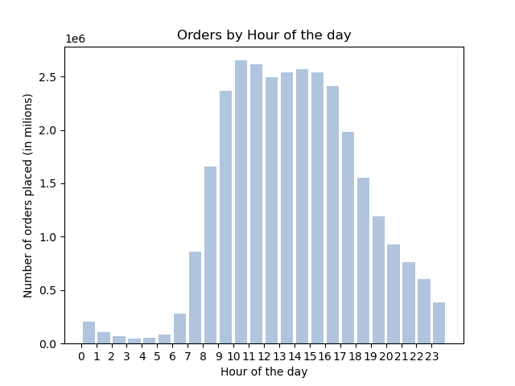
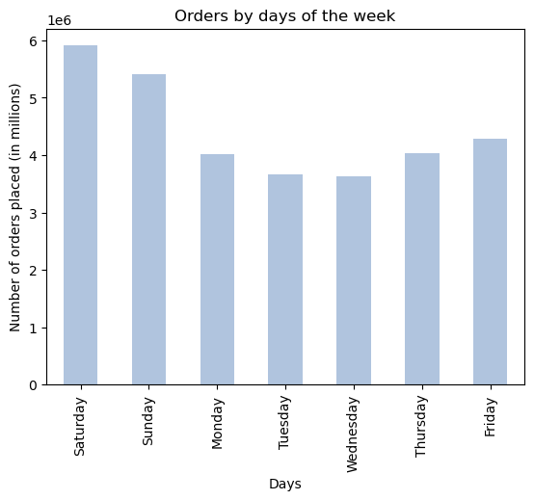
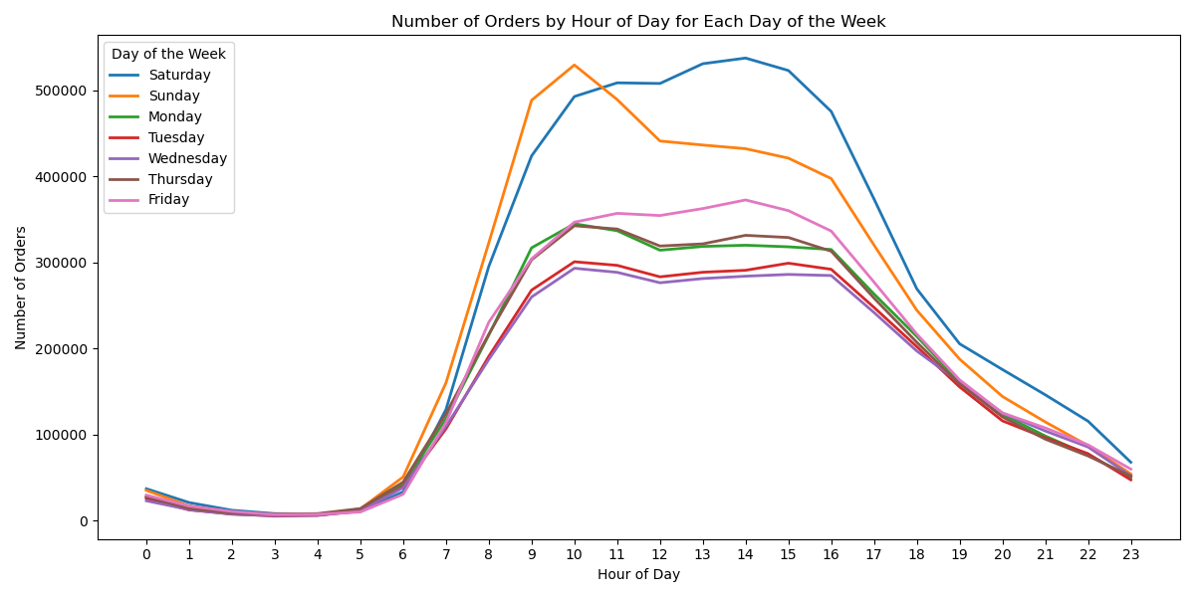

Chart represents busiest hours for each day of the week.
We can see a different pattern for the busiest days of the week:
- on Saturday, the busiest hours are in the afternoon, with the peak at 14 hour,
- on Sunday the peak is in the morning, around 10 am. After that we can see a sharp decline.
Chart showing number of orders on every day of the week.
The busiest day of the week is Saturday, followed by Sunday and Friday. Tuesday and Wednesday are least busiest days.
Histogram showing number of orders placed for every hour of the day.
The busiest hours of the day are between 9 and 17h.

2.They also want to know whether there are particular times of the day when people spend the most money, as this might inform the type of products they advertise at these times.

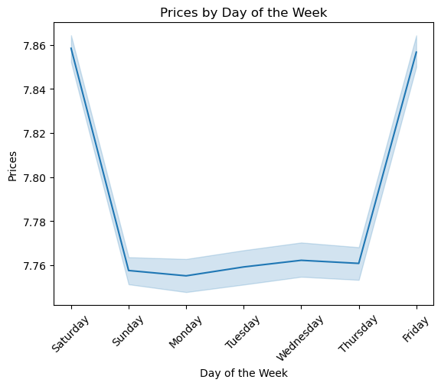
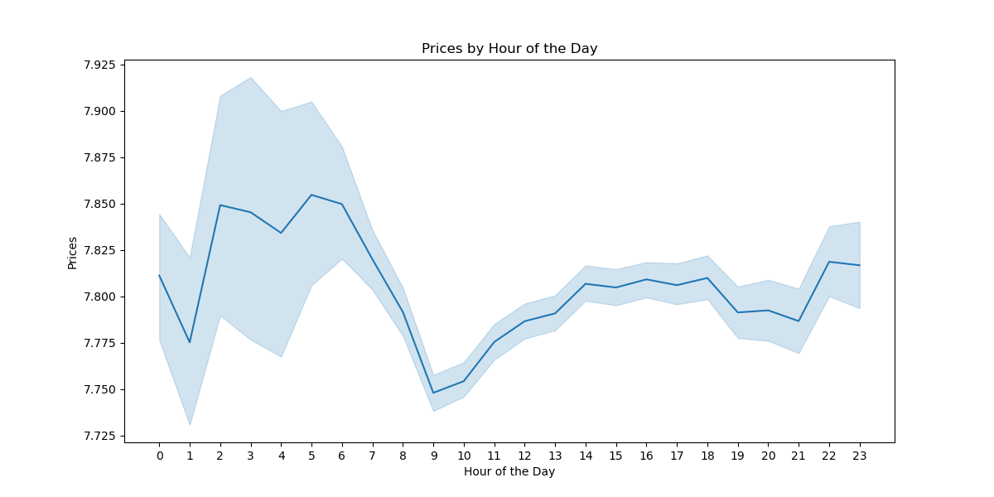

Line chart showing prices by every hour of the day.
Highest prices paid between 2 and 6 after midnight.
Line chart showing average prices paid by days of the week.
Highest prices are being paid on Friday and Saturday

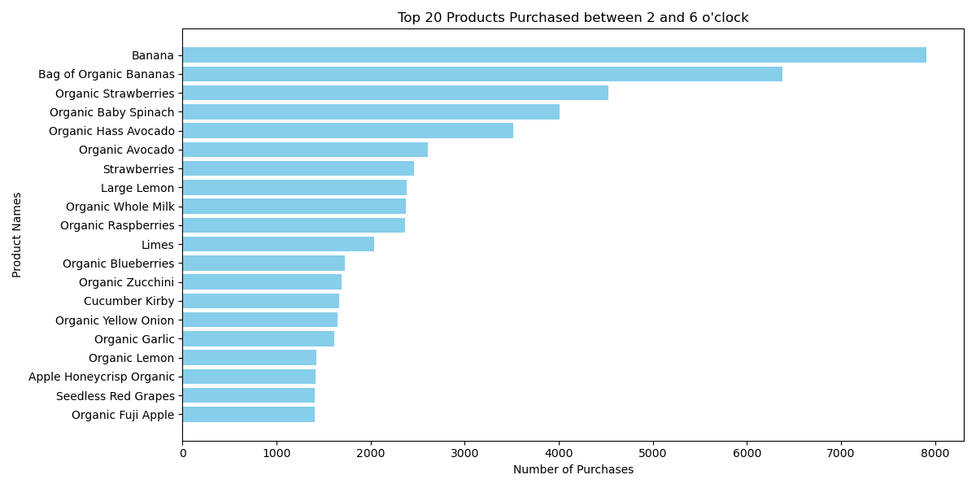

Bar chart showing top 20 products purchased between 2 and 6 AM

3. Instacart has a lot of products with different price tags. Marketing and sales want to use simpler price range groupings to help direct their efforts.

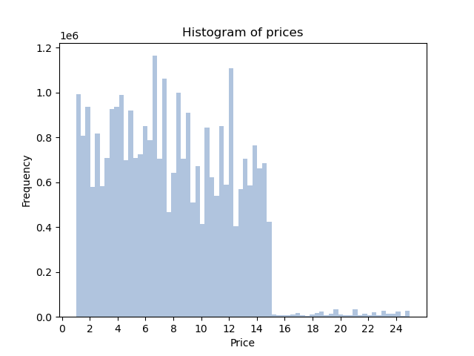
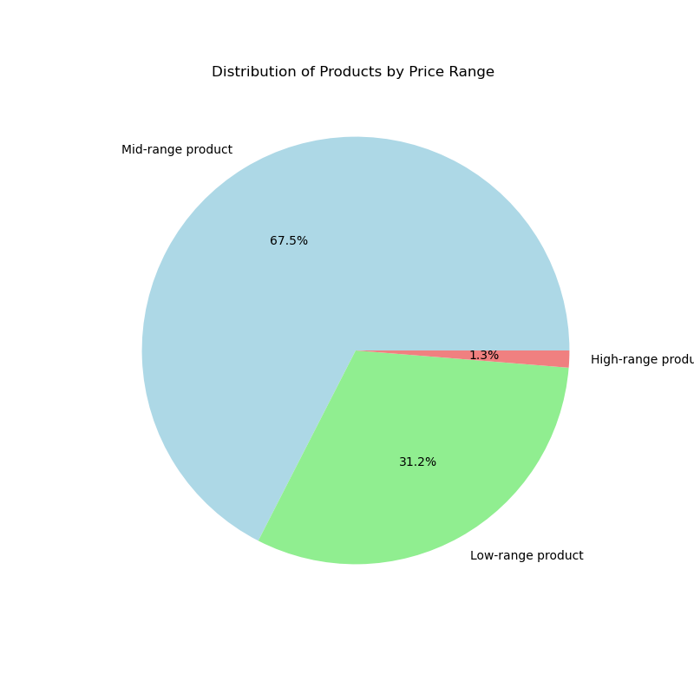

We have grouped all products in 3 main groups:
Low range products - prices below 5$;
Mid-range products - prices between 5 and 15$,
High -range products - prices above 15$
Majority of the products belongs to the mid-range products

Histogram showing frequency of prices.

4. Are there certain types of products that are more popular than others? The marketing and sales teams want to know which departments have the highest frequency of product orders.

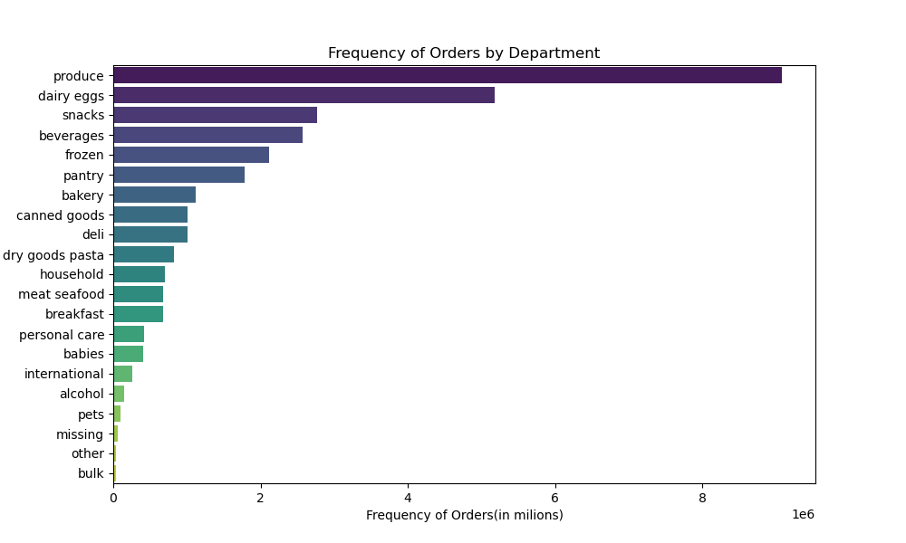

department | count of orders
produce | 9079273
dairy eggs | 5177182
snacks | 2766406
beverages | 2571901
frozen | 2121731
pantry | 1782705
bakery | 1120828
canned goods | 1012074
deli | 1003834
dry goods pasta | 822136
household | 699857
meat seafood | 674781
breakfast | 670850
personal care | 424306
babies | 410392
international | 255991
alcohol | 144627
pets | 93060
missing | 64768
other | 34411
bulk | 33451

Bar chart showing Produce is the most popular department followed by Dairy Eggs, Snacks, Beverages and Frozen.

5. The marketing and sales teams are particularly interested in the different types of customers in their system and how their ordering behaviors differ. For example:

5.a What’s the distribution among users in regards to their brand loyalty (i.e., how often do they return to Instacart)?

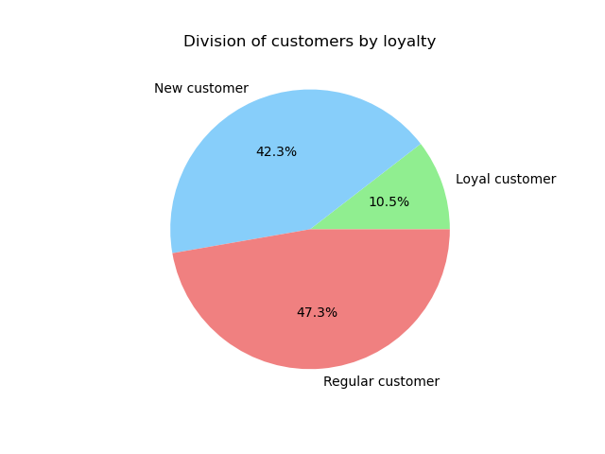
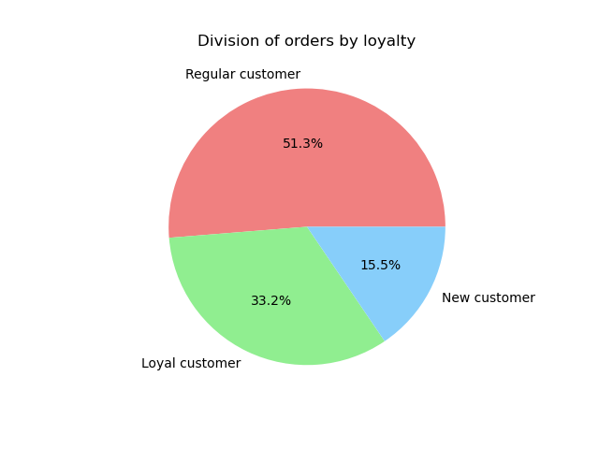

The criteria for customers division as follows:
New customer - less than or equal to 10 orders;
Regular customer - over 10 but less than or equal to 40;
Loyal customer - more than 40 orders

From the line charts we can see that loyal customers count for 10.5% of total customers but 33.2% of total orders.

5.b Are there differences in ordering habits based on a customer’s loyalty status?

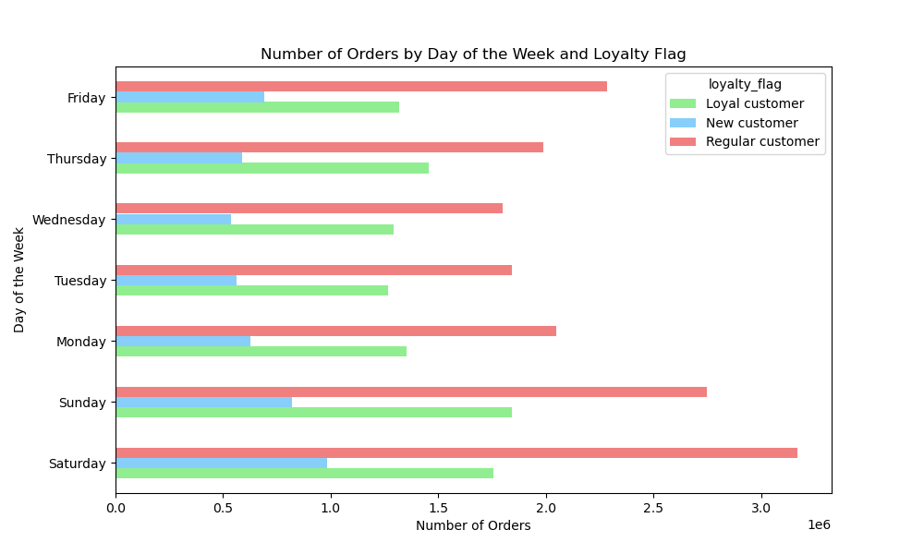

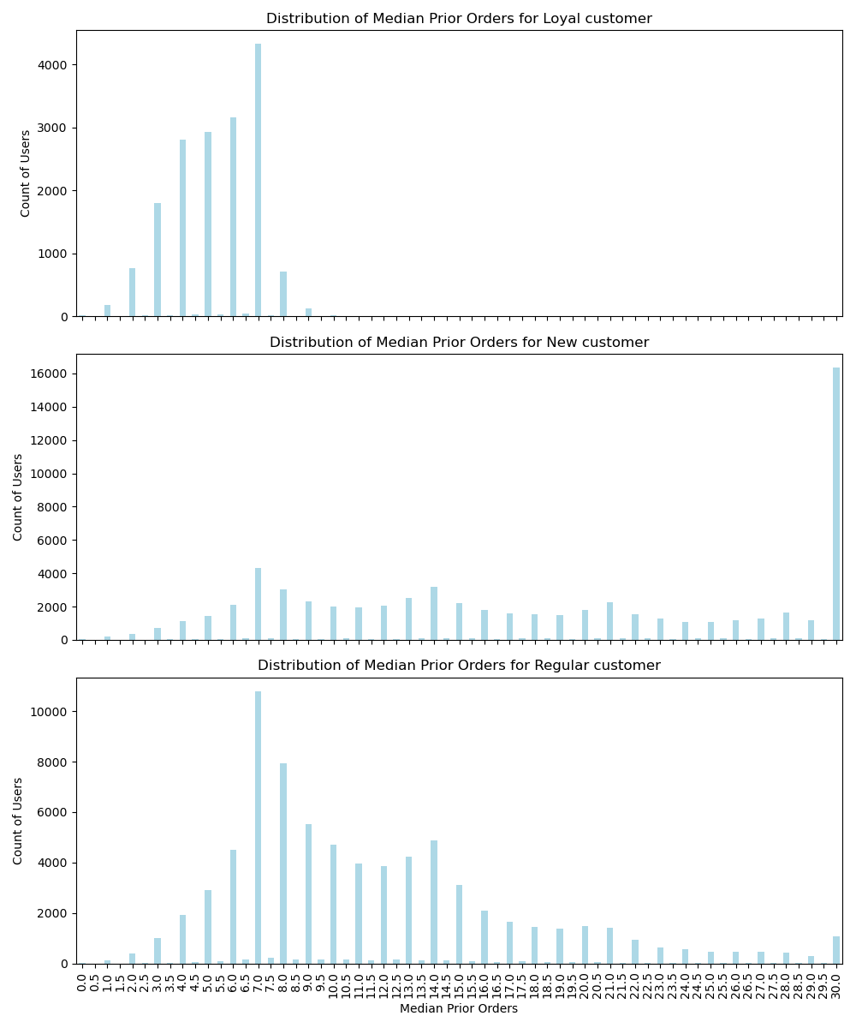

Regular and new customers follows similar pattern in placing order with Saturday as most popular day, followed by Sunday and Friday. Loyal customers showing different behavior. They are placing most of the orders on Sunday, then Saturday and Thursday.

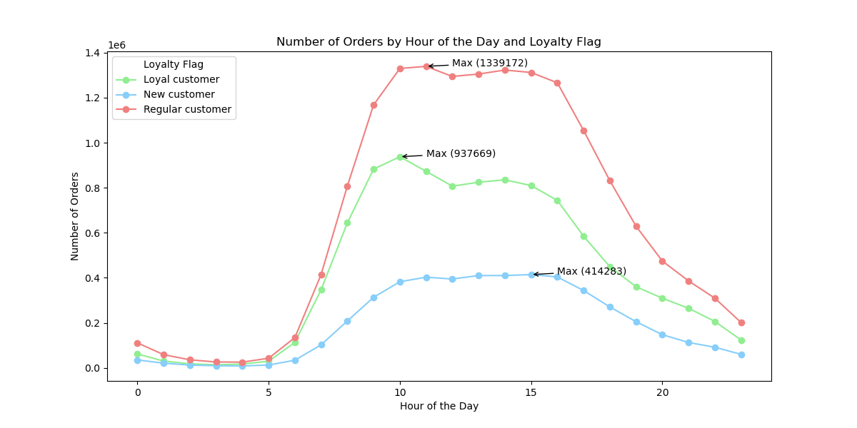

Chart showing that almost all of the loyal customers place orders within 7 days; most of the regular customers are placing orders ones per week, while new customers have more diversified placement of orders.
Line chart showing number of orders by hour of the day for our three group of customers.
Loyal customers peak of orders is at 10 AM, Regular customers around 11 AM while new customers at 15 h.

6. Visualizations2
Title page

Visualisations

5.c Are there differences in ordering habits based on a customer’s region?

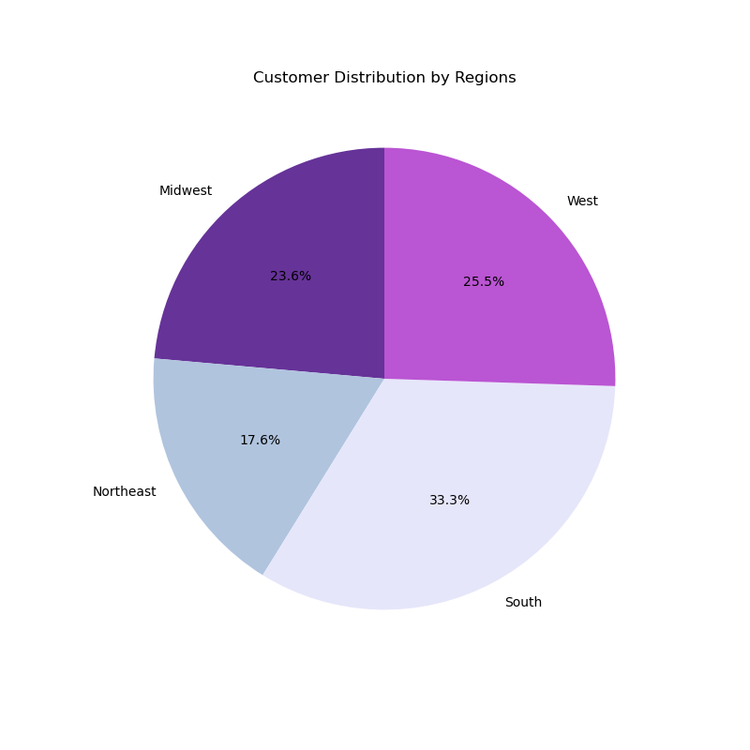
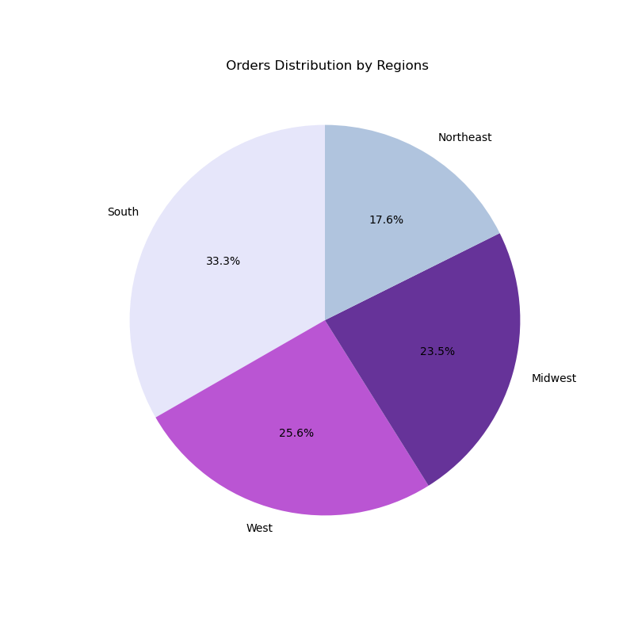

In terms of different US regions, the highest proportion, both in number of customers and in numbers of orders belongs to the South region

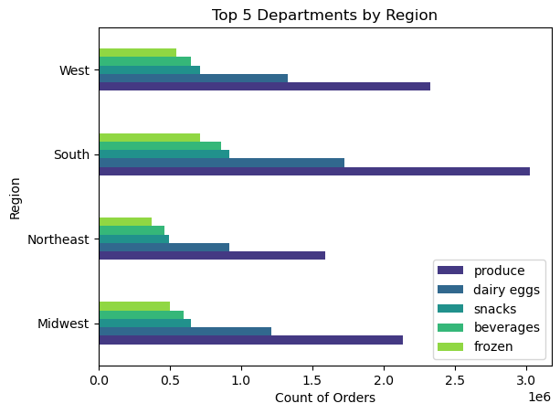

Different regions show similar behavior in terms of department preference. Produce, Dairy Eggs, Snacks, Beverages and Frozen are top % departments in all of the regions.

5.d Is there a connection between age and family status in terms of ordering habits?

Age

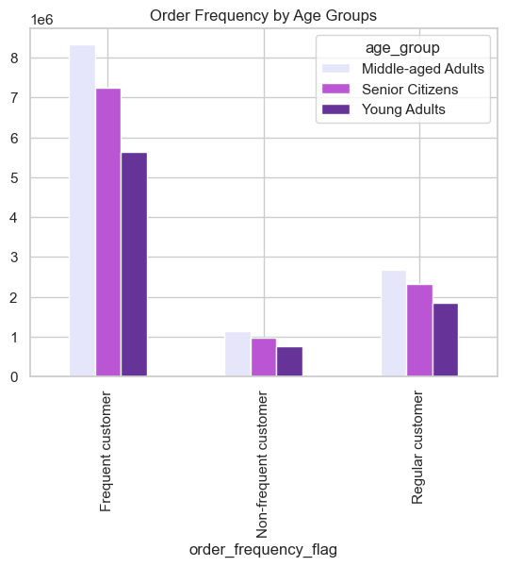
Age groups are defined as follows:
Young Adults - less than 35 years
Middle-aged Adults - 35 and above, less than 60
Senior Citizens - 60 and above

Frequency flag is defined as follows:
Non-frequent customer - if the median of “days_since_last_order”column is higher than 20
Regular customer - If the median is higher than 10 and lower than or equal to 20
Frequent Customer- If the median is lower than or equal to 10

Most of the Frequent customers belongs to Middle age population

Family Status

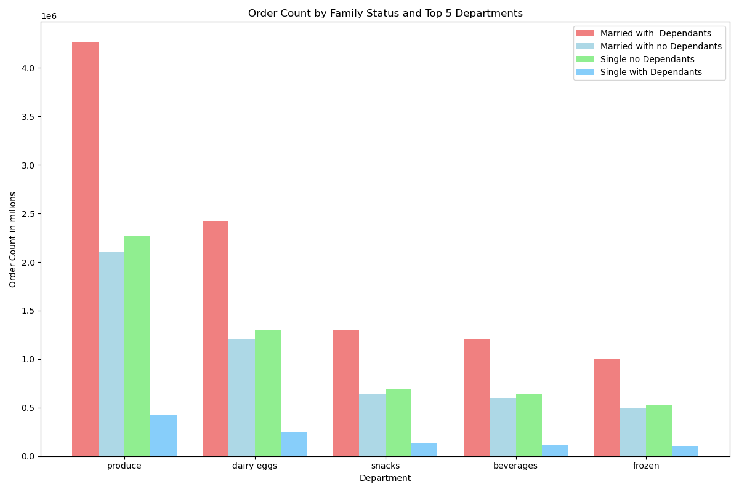

Chart is showing number of orders by different departments and family status. Highest number of orders are placed by the group Married with dependants, followed by Single no dependants, Married with no dependants and Single with dependants.
Top 5 departments are: Produce, Dairy eggs, Snacks, Beverages and Frozen.

5.e What different classifications does the demographic information suggest? Age? Income? Certain types of goods? Family status?

Family status

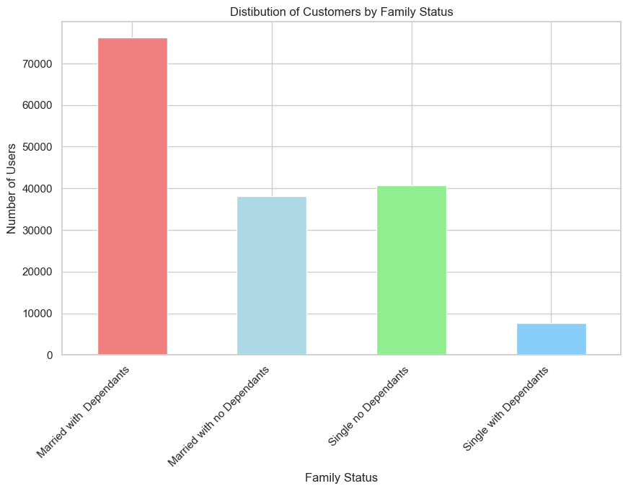
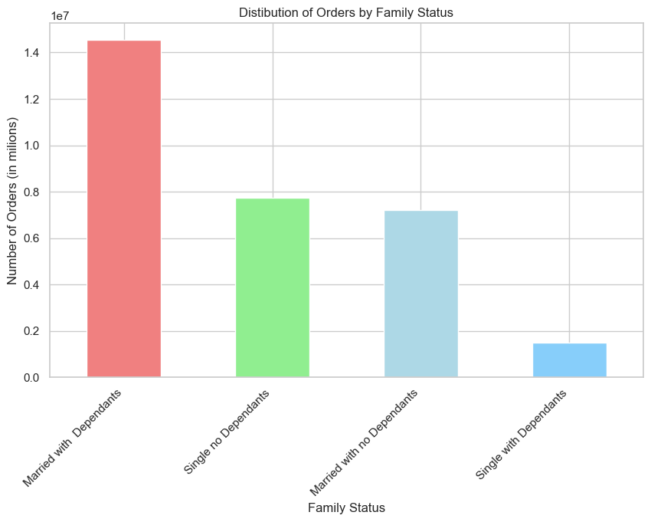

Most of the Instacart consumers and most of the orders are within the group "Married with dependants".

Income Groups

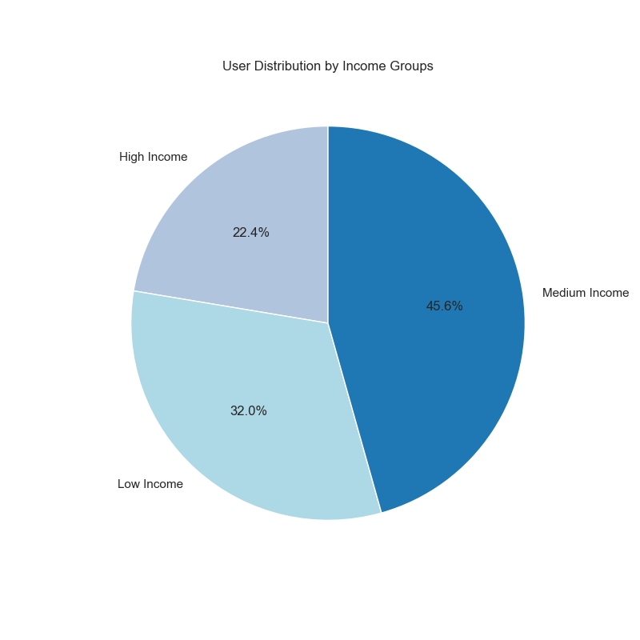
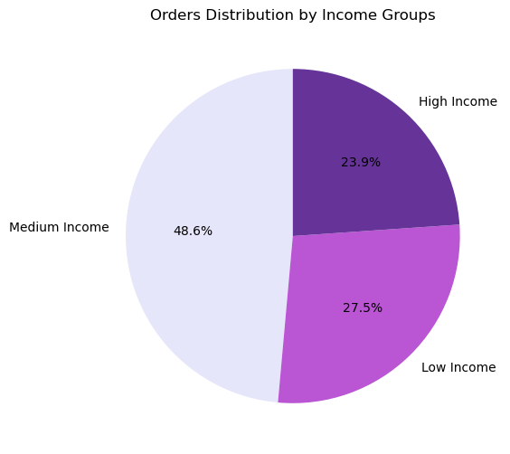

Criteria for income groups:
Low-Income: less than 70000 USD;
Middle-Income: 70000 to 130000 USD;
High-Income: above 130000 USD

Number of customers by income group
High Income 36393
Low Income 52039
Medium Income 74199

Most of Instacart customers and most of the orders belongs to the Medium income group. All income groups holding similar proportion in user and in orders distribution.

Age Groups

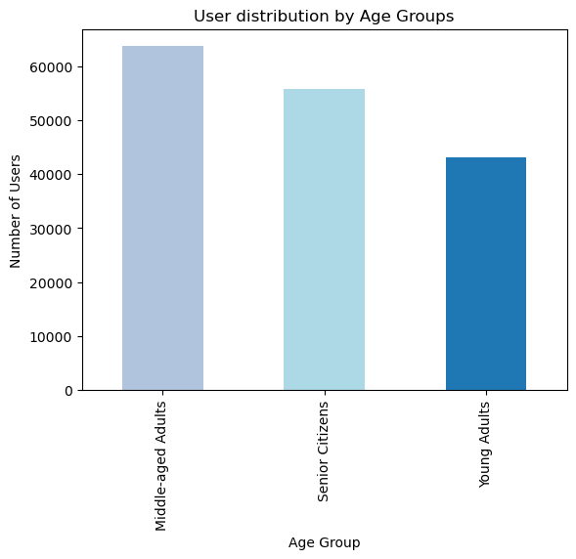


Number of user by age groups
Middle-aged Adults 63707
Senior Citizens 55773
Young Adults 43151

Number of orders by age groups
Middle-aged Adults 12147765 Senior Citizens 10574504
Young Adults 8242295

Middle aged adults have the highest frequency both in number of costumers and in number of orders.

Certain types of goods

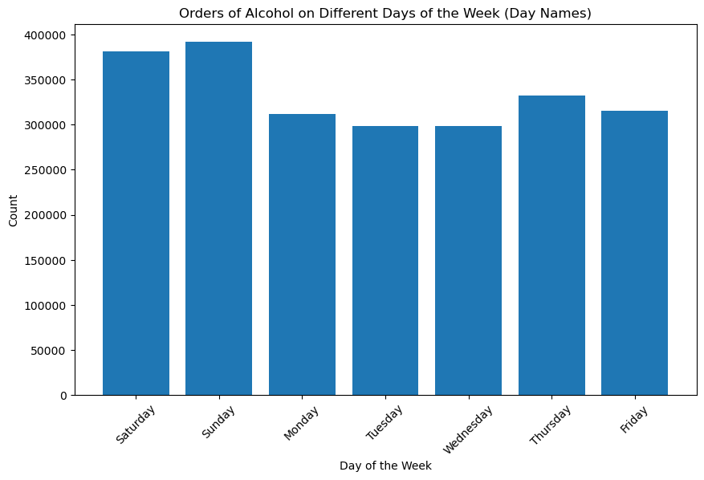
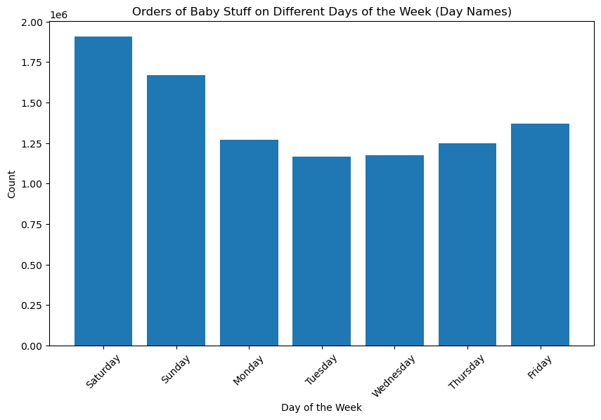

Most of the alcohol is purchased on Sundays followed by Saturdays and Thursdays, while busiest days for baby stuff are Saturday, then Sunday and Friday

5.f What differences can you find in ordering habits of different customer profiles? Consider the price of orders, the frequency of orders, the products customers are ordering, and anything else you can think of.

by Income groups

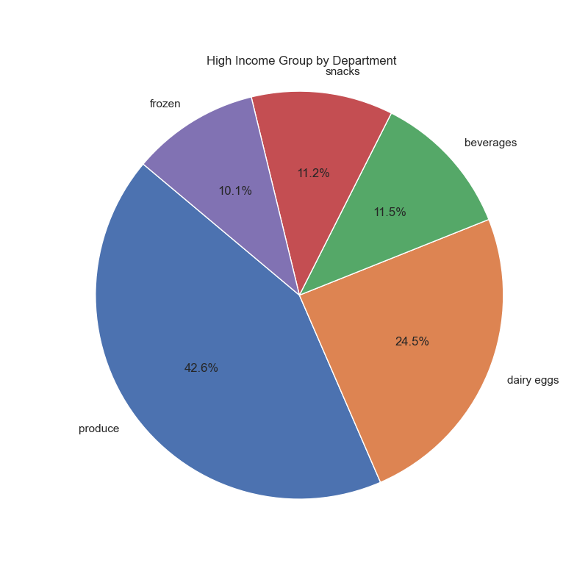
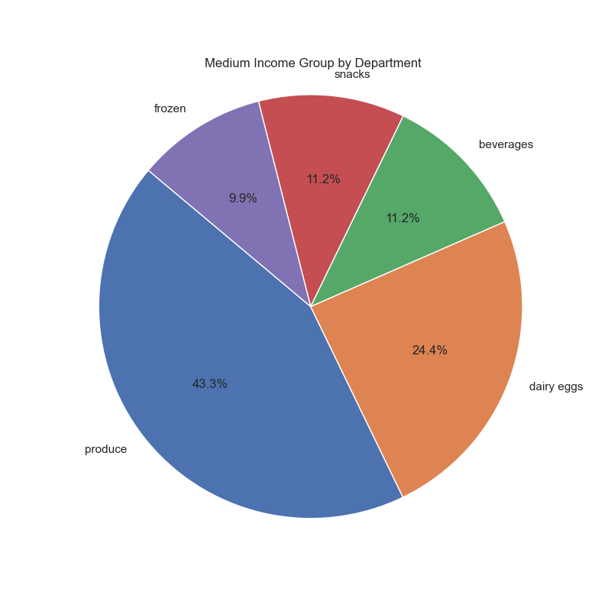
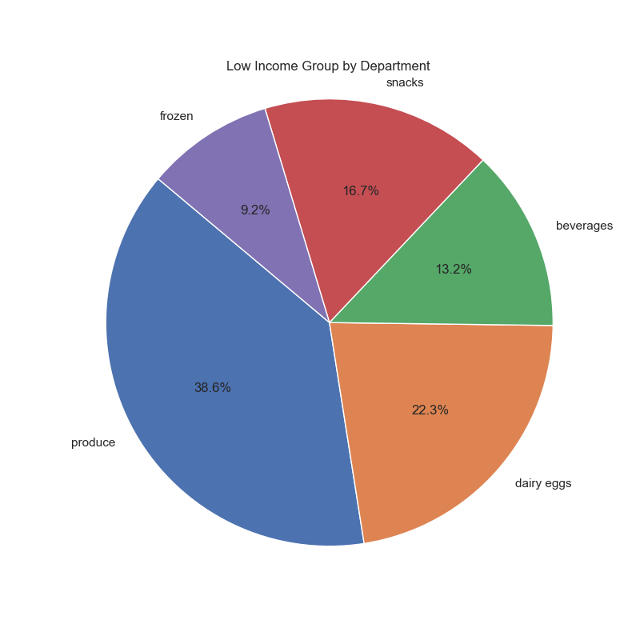

Low income group shows more different pattern in consumption by departments, with higher percentage in consumption in "Snacks" department and lower consumption in the "Produce" department, compared to other Income groups.

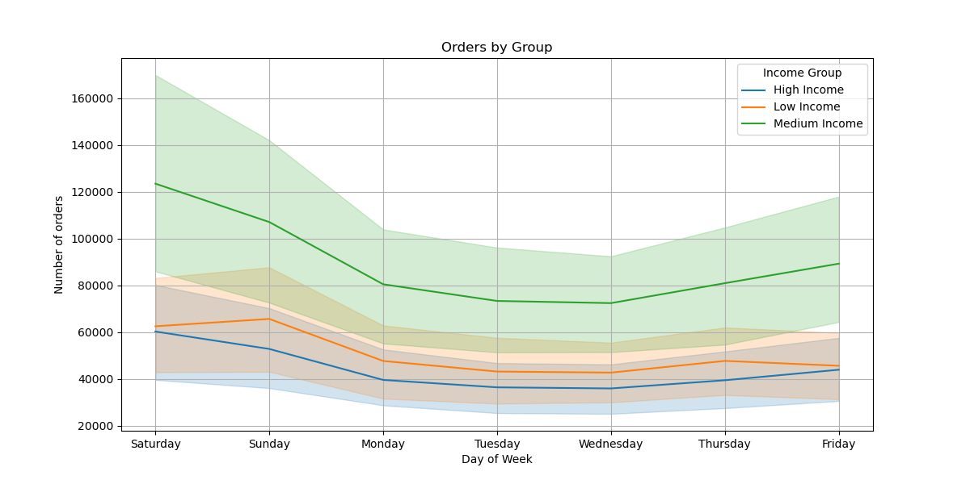

Low income group place highest number of orders on Sunday, different than other Income groups which have most orders on Saturday

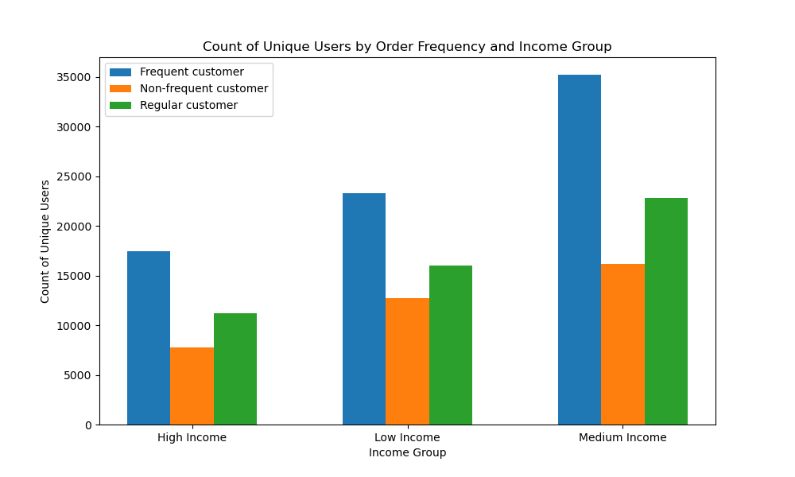

Our most frequent customers are in the group with Medium Income.

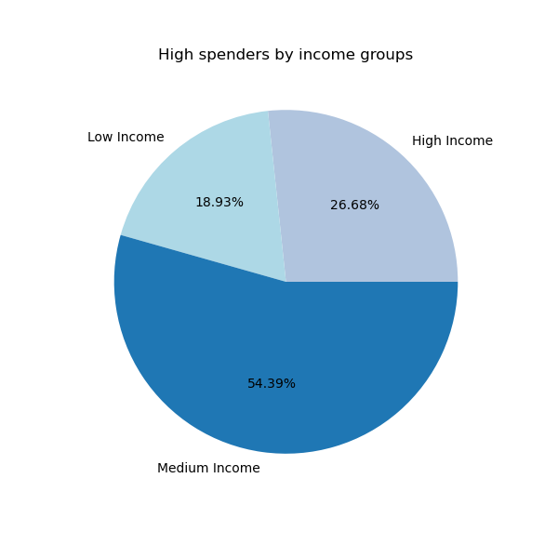

To create a spending flag, we are using the following criteria:
Low spender - If the mean of the prices of products purchased by a user is lower than 10;
High spender - If the mean of the prices of products purchased by a user is higher than or equal to 10

While medium income group count for 45.6% of total customers it has proportion of 54.39% of high spenders

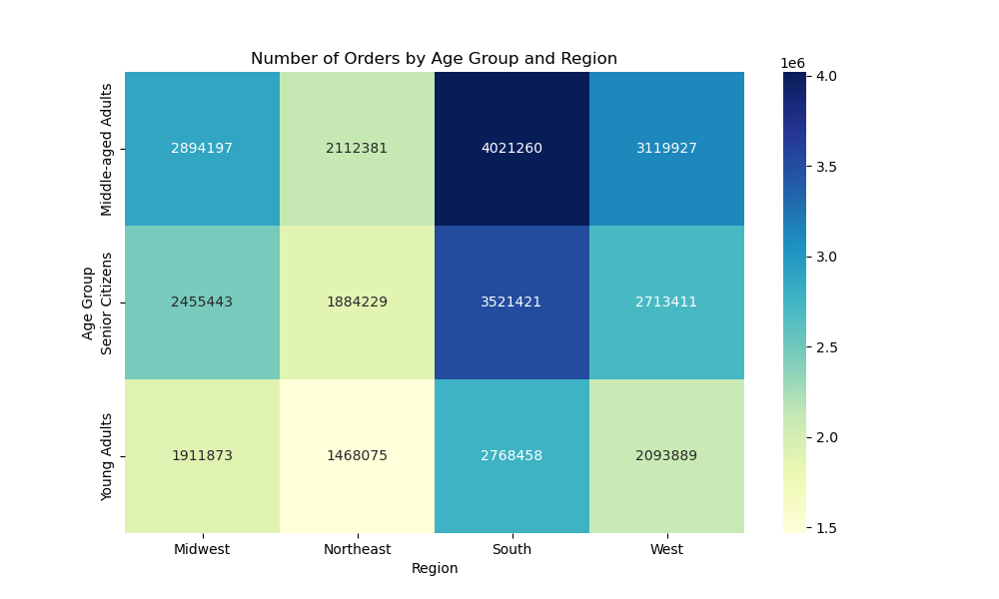

Middle-aged Adults from the South region are placing highest number of orders

7. Recommendations
 | Title page

Recommendations

In this tab you should include any recommendations you would made to Instcart in terms of their marketing strategy based on the questions posed in the brief. Every key question has been covered in the Tasks of the Exercises - here you need to add an item - a visualisation or table/crosstable that is showing the answer in the data, acompanied by a comment from you. Please, list the questions below and add the answer underneath.

1. The sales team needs to know what the busiest days of the week and hours of the day are (i.e., the days and times with the most orders) in order to schedule ads at times when there are fewer orders.

Observation: The busiest days of the week are weekends (Saturday and Sunday) and Friday, with the highest number of orders placed during these days. In contrast, Tuesday and Wednesday experience lower order volumes.
Regarding the busiest hours of the day, the trend suggests that order counts begin to rise more significantly at 6 am, peaking between 9 am and 5 pm. After 5 pm, there is a decline in orders, with a significant drop-off late at night around 3 am.
Recommendation:
To optimize ad scheduling and allocate resources effectively, Instacart can consider the following :
- Target advertising during the quieter periods of the day, particularly from 5 pm onwards, when there is a noticeable drop in order activity.
- Additionally, consider advertising on Tuesdays and Wednesdays, which experience lower order volumes compared to weekends and Fridays.

Link to Visualization

2.They also want to know whether there are particular times of the day when people spend the most money, as this might inform the type of products they advertise at these times.

Observation: In terms of days, analysis shows that highest prices are paid on Friday and Saturday. in terms of hours of the day, the highest prices are paid between 2 and 6 AM. Most popular products within these hours are fruits, vegtables and milk.
Recommendation:
The analysis reveals that people tend to spend the most money on Fridays and Saturdays, suggesting these days as prime opportunities to advertise higher-priced products.
Between 2 AM and 6 AM, customers make purchases with the highest prices, and during these hours, products such as fruits, vegetables, and milk appear to be popular choices, making them ideal candidates for targeted advertising campaigns to maximize revenue during this time frame.

Link to Visualization

3. Instacart has a lot of products with different price tags. Marketing and sales want to use simpler price range groupings to help direct their efforts.

Observation: We have grouped all products in 3 main groups:
Low range products - prices below 5$;
Mid-range products - prices between 5 and 15$,
High -range products - prices above 15$
Majority of the products belongs to the mid-range products
Recommendation:
To focus marketing and sales efforts primarily on the mid-range products, as they constitute the majority of the product catalog, accounting for 67.5% of the offerings. While there is a smaller market for both low and high-range products, allocating resources in proportion to their representation (31.2% for low-range and 1.3% for high-range) would be a strategic approach to cater to the diverse preferences and budgets of customers.

Link to Visualization

4. Are there certain types of products that are more popular than others? The marketing and sales teams want to know which departments have the highest frequency of product orders.

Observation: Produce is the most popular department, followed by Dairy Eggs, Snacks, Beverages and Frozen.
Recommendation:
To prioritize and allocate marketing and sales efforts to departments that have the highest frequency of product orders, namely Produce, Dairy Eggs, Snacks, Beverages, and Frozen. Focusing on these departments can help leverage the popularity of these product categories and potentially drive higher sales and customer engagement.
Additionally, consider tailoring marketing strategies and promotions to highlight products within these departments to further boost sales and customer satisfaction.

Link to Visualization

5. The marketing and sales teams are particularly interested in the different types of customers in their system and how their ordering behaviors differ. For example:

5.a What’s the distribution among users in regards to their brand loyalty (i.e., how often do they return to Instacart)?

Observation: The majority of customers fall into the "Regular" category, accounting for 47.3% of total customers and 51.3% of total orders. However, it's worth noting that "Loyal" customers, despite being a smaller percentage of the customer base (10.5%), contribute significantly to total orders (33.2%).
Recommendation:
To focus marketing and sales efforts on retaining and nurturing "Loyal" customers, as they exhibit a strong order frequency and potentially provide a stable revenue stream.
Additionally, to be considered targeted strategies to convert "New" customers into "Regular" customers over time, given their representation in the customer base (42.3%).

Link to Visualization

5.b Are there differences in ordering habits based on a customer’s loyalty status?

Observation:
Regular and new customers follows similar pattern in placing order with Saturday as most popular day, followed by Sunday and Friday. Loyal customers showing different behavior. They are placing most of the orders on Sunday, then Saturday and Thursday.
Loyal customers peak of orders is at 10 AM, Regular customers around 11 AM while new customers at 15 h.
Almost all of the loyal customers place orders within 7 days; most of the regular customers are placing orders ones per week, while new customers have more diversified placement of orders.
Recommendation:
Tailor marketing strategies to the distinct ordering behaviors of each customer group.
For loyal customers, consider promotions and incentives during their preferred ordering times, especially on Sundays.
For regular customers, focus on weekends but adjust the timing to accommodate their preferences.
For new customers, implement strategies to encourage more frequent orders and consider promotions during their peak ordering times at 3 PM.

Link to Visualization

5.c Are there differences in ordering habits based on a customer’s region?

Observation:
The South region stands out with the highest proportion of both customers and orders, accounting for 33.3% of the total.
Despite regional differences in customer and order distribution, there is consistency in department preferences across all regions. Produce, Dairy Eggs, Snacks, Beverages, and Frozen departments are among the top choices in terms of product preferences.
Recommendation:
Given the significant customer base and order volume in the South region, it's advisable to allocate marketing and sales efforts accordingly to capitalize on this market.
For regions with lower representation, consider targeted strategies to increase customer engagement and order frequency.

Link to Visualization

5.d Is there a connection between age and family status in terms of ordering habits?

Observation:
Most of the Frequent customers belongs to Middle age population
Highest number of orders are placed by the group Married with dependants, followed by Single no dependants, Married with no dependants and Single with dependants.
Top 5 departments are: Produce, Dairy eggs, Snacks, Beverages and Frozen.
Recommendation:
Tailor marketing and advertising efforts to target the middle-aged population, as they are more likely to become frequent customers.
Focus on highlighting the top five departments (Produce, Dairy Eggs, Snacks, Beverages, and Frozen) in promotional campaigns for all age and family status categories, as these categories seem to have broad appeal.
Additionally, consider crafting specific marketing messages that resonate with the family dynamics of the "Married with Dependents" group, as they account for the highest number of orders.

Link to Visualization

5.e What different classifications does the demographic information suggest? Age? Income? Certain types of goods? Family status?

Observation:
Most of the Instacart consumers and most of the orders are within the group "Married with dependants".
Most of Instacart customers and most of the orders belongs to the Medium income group. All income groups holding similar proportion in user and in orders distribution.
Middle aged adults have the highest frequency both in number of costumers and in number of orders.
Recommendation:
To capitalize on these demographic insights, consider tailoring marketing and promotional efforts to middle-aged adults, who represent a significant portion of both customers and orders
Tailor marketing strategies to target the "Married with Dependents" demographic, as they represent a substantial portion of both customers and orders. However, also consider diversifying marketing efforts to cater to other family statuses to ensure inclusivity.
For income groups, focus on offering a variety of product options that align with different income levels, recognizing that there is a substantial user base in all three income categories.

Link to Visualization

5.f What differences can you find in ordering habits of different customer profiles? Consider the price of orders, the frequency of orders, the products customers are ordering, and anything else you can think of.

Observation:
Low income group shows more different pattern in consumption by departments, with higher percentage in consumption in "Snacks" department and lower consumption in the "Produce" department, compared to other Income groups.
Low income group place highest number of orders on Sunday, different than other Income groups which have most orders on Saturday
Our most frequent customers are in the group with Medium Income.
While medium income group count for 45.6% of total customers it has proportion of 54.39% of high spenders
Middle-aged Adults from the South region are placing highest number of orders
Recommendation:
For Low-Income Customers: Consider tailoring marketing strategies to highlight budget-friendly options, especially in the "Snacks" department. Additionally, promotions and discounts on Sundays may resonate well with this group.
For Medium-Income Customers: Recognize their significance as both frequent customers and high spenders. Create targeted promotions for premium or higher-priced products to capitalize on their willingness to spend.
Explore regional-specific marketing strategies: Given the regional variations observed in ordering habits, consider customizing marketing campaigns to align with the preferences and behaviors of customers in different regions.

Link to Visualization

